Course Overview
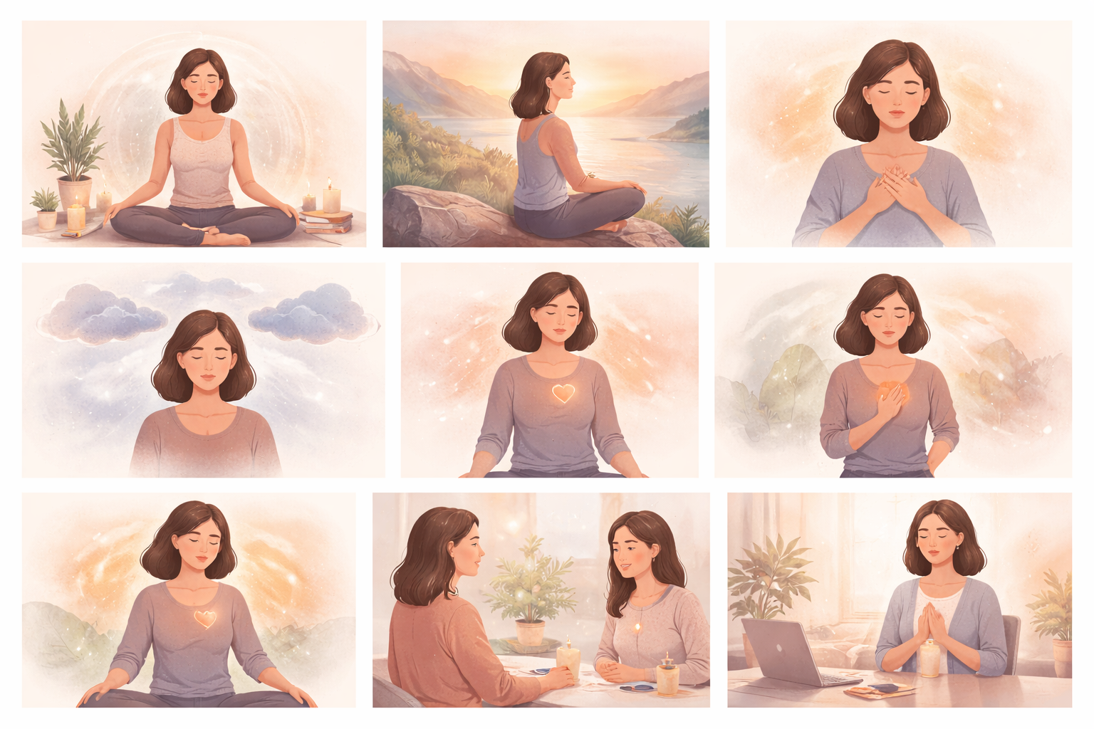
Course Title | Day | Target Audience | Estimated Duration (minutes) | Learning Goal (1 sentence) | Category
Mindful Meditation Moments | 8 | women learners | x | Give yourself space to slow down and reconnect through a guided journey towards mindful moments. Nurture your inner strength and awareness so you can approach each decision and interaction with clarity and confidence.

